Fee Calculator
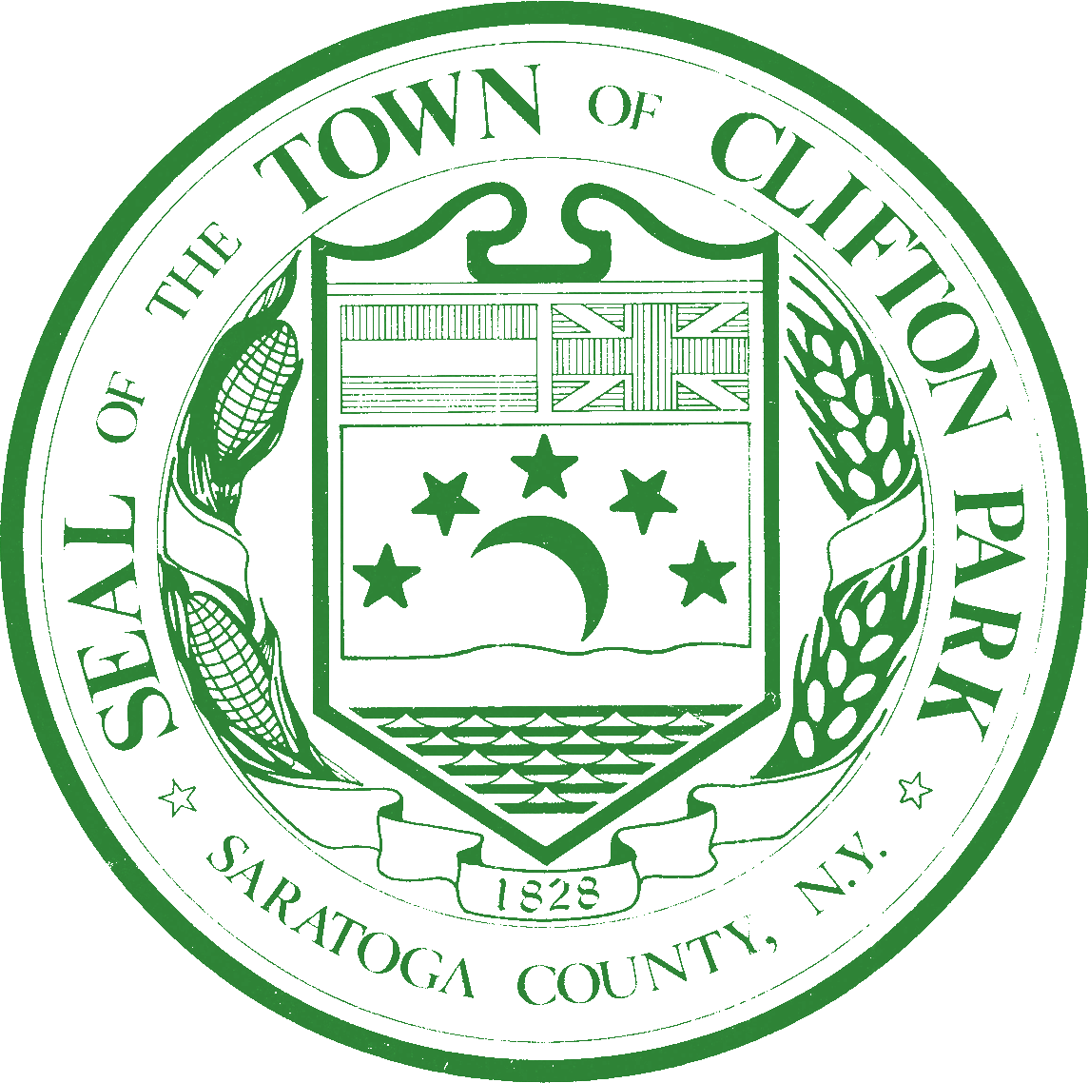 | Town of Clifton Park Subdivision Review Calculator
 |  | Proposed # of lots:
 | 2 Payment Plan |  |  | 3 Payment Plan
 | For Projects that may be decided in 2 Planning Board Review Meetings |  |  | For Projects that may be decided in 3 Planning Board Review Meetings
 | Concept Review Meeting | 1st check payable to Town of Clifton Park for Planning Board Review = | $50.00 | Concept Review Meeting | 1st check payable to Town of Clifton Park for Planning Board Review = | $50.00
 |  | 2nd check for Engineering Review payable to Town of Clifton Park = | $750.00 |  | 2nd check for Engineering Review payable to Town of Clifton Park = | $750.00
 | If you are requesting possible determination at 2nd Meeting: |  |  | If you are requesting possible determination at 3rd Meeting or later:
 | Preliminary Review Meeting w/ Possible Determination | 1st check payable to Town of Clifton Park for Planning Board Review = | $550.00 | Preliminary Review Meeting | 1st check payable to Town of Clifton Park for Planning Board Review = | $300.00
 |  | 2nd check for Engineering Review payable to Town of Clifton Park = | $1,500.00 |  | 2nd check for Engineering Review payable to Town of Clifton Park = | $750.00

 |  |  |  | Final Review Meeting w/ Possible Determination | 1st check payable to Town of Clifton Park for Planning Board Review = | $250.00
 |  |  |  |  | 2nd check for Engineering Review payable to Town of Clifton Park = | $750.00
 | Other Fees prior to Stamping |  |  | Other Fees prior to Stamping
 | Other Fees prior to Stamping | GIS payable to Town of Clifton Park = | $(15.00) | Other Fees prior to Stamping | GIS payable to Town of Clifton Park = | $(15.00)
 |  | Parkland payable to Town of Clifton Park = | $(1,250.00) |  | Parkland payable to Town of Clifton Park = | $(1,250.00)
 |  | Additional fees may be charged including but not limited to: SEQR Review, GEIS Study areas, other Impact fees, Clifton Park Water Authority, Open Space Incentive Zoning | TBD |  | Additional fees may be charged including but not limited to: SEQR Review, GEIS Study areas, other Impact fees, Clifton Park Water Authority, Open Space Incentive Zoning | TBD

